CRI
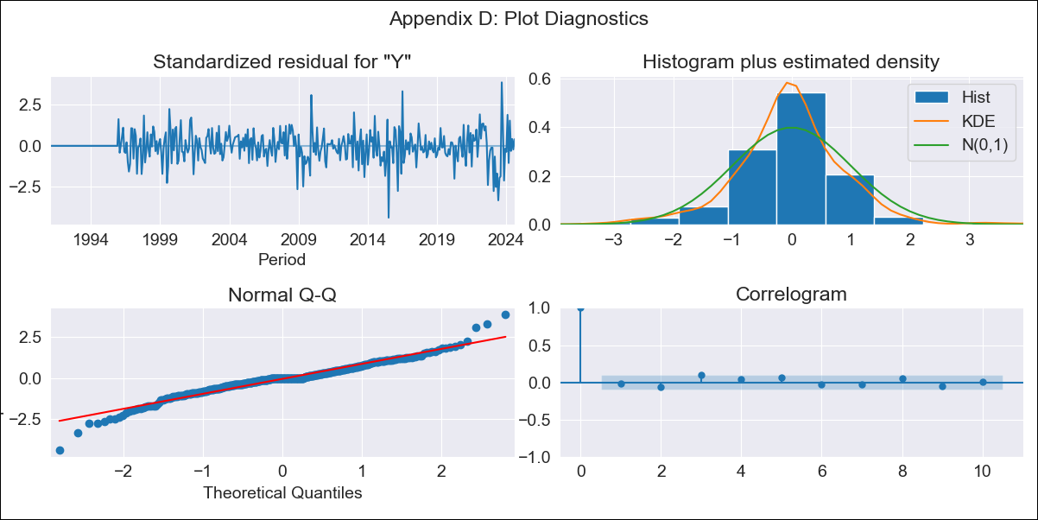
CRI - Inflation - Next 12 months forecast as of: 2024-08-01

Model | ARIMA - [(2, 0, 0), (0, 0, 1, 12)]
Training Data | 1990-01-01 to 2023-09-01
Test Data | 2023-09-01 to 2024-08-01

Date | Inflation Change YoY % | Lower Bound - 95% Confidence Interval | Upper Bound - 95% Confidence Interval
2024-09-01 | 0.53 | -0.4 | 1.59
2024-10-01 | 0.7 | -0.82 | 2.6
2024-11-01 | 0.81 | -1.17 | 3.43
2024-12-01 | 0.92 | -1.44 | 4.16
2025-01-01 | 1.03 | -1.65 | 4.81
2025-02-01 | 1.17 | -1.8 | 5.44
2025-03-01 | 1.27 | -1.94 | 5.98
2025-04-01 | 1.4 | -2.04 | 6.51
2025-05-01 | 1.51 | -2.14 | 7
2025-06-01 | 1.63 | -2.22 | 7.45
2025-07-01 | 1.73 | -2.29 | 7.88
2025-08-01 | 1.84 | -2.34 | 8.29
2025-09-01 | 1.95 | -2.4 | 8.68
2025-10-01 | 2.05 | -2.45 | 9.06
2025-11-01 | 2.15 | -2.49 | 9.42
2025-12-01 | 2.25 | -2.53 | 9.77

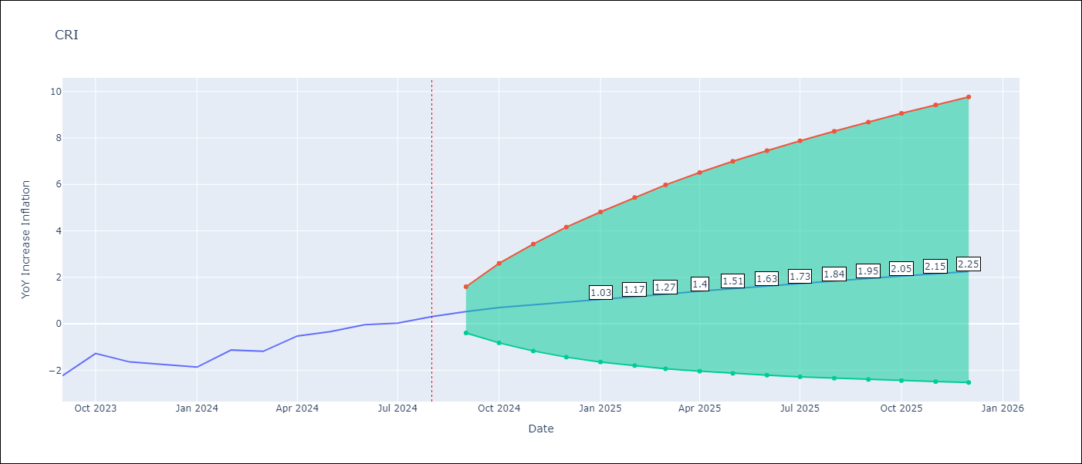

Test Metrics
RMSE | 1.67
Naive RMSE | 0.53
MAPE | 900.8%

Test Predictions
Date | Predicted | Actual
2023-09-01 | -3.28 | -2.24
2023-10-01 | -3.15 | -1.28
2023-11-01 | -3.2 | -1.64
2023-12-01 | -3.33 | -1.77
2024-01-01 | -3.39 | -1.87
2024-02-01 | -3.01 | -1.13
2024-03-01 | -2.94 | -1.19
2024-04-01 | -2.7 | -0.53
2024-05-01 | -2.49 | -0.34
2024-06-01 | -1.9 | -0.04
2024-07-01 | -1.14 | 0.03
2024-08-01 | -0.59 | 0.31

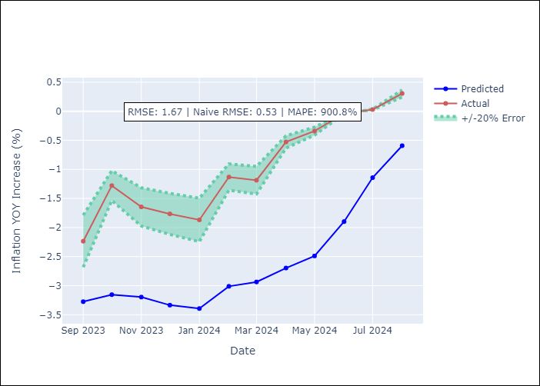

Appendix A: Model Summary
Model | ARIMA(2, 0, 0)x(0, 0, [1], 12)
Sample | 01-01-1990- 08-01-2024
No. of Observations | 416
Terms | P-value (Statistical significance)
const | 0.788
ar.L1 | 0.000
ar.L2 | 0.000
ma.S.L12 | 0.000
sigma2 | 0.000
Assumptions | P-value

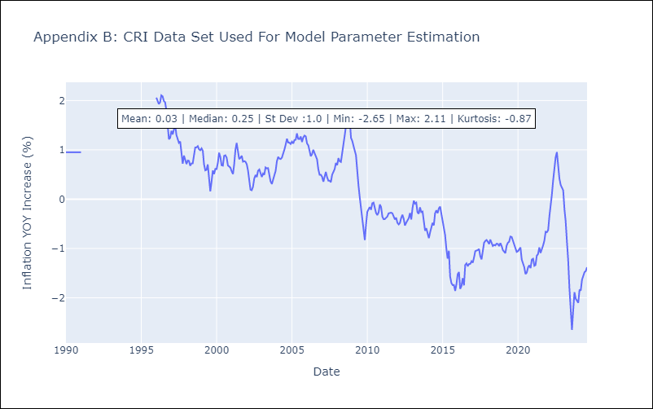

Appendix C: Residuals Analysis
Mean | -0.0

Normal? | Yes

CUB
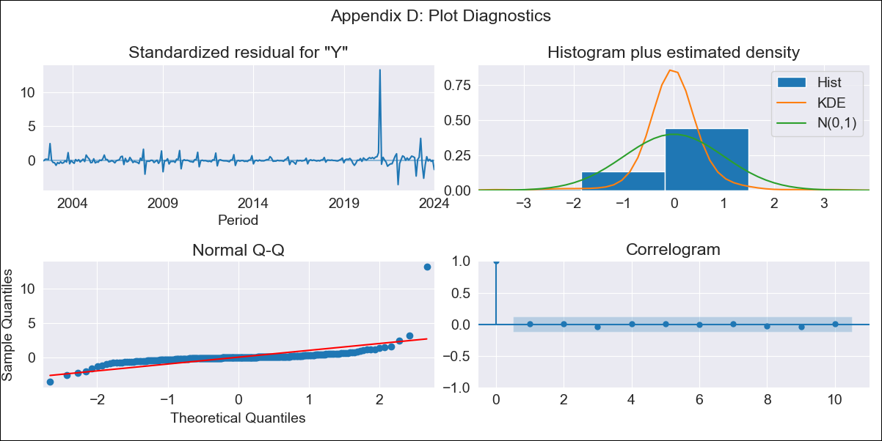
CUB - Inflation - Next 12 months forecast as of: 2024-01-01

Model | ARIMA - [(0, 2, 1), (0, 0, 1, 12)]
Training Data | 2001-01-01 to 2023-02-01
Test Data | 2023-02-01 to 2024-01-01

Date | Inflation Change YoY % | Lower Bound - 95% Confidence Interval | Upper Bound - 95% Confidence Interval
2024-02-01 | 40.81 | 33.36 | 48.27
2024-03-01 | 39.46 | 28.71 | 50.22
2024-04-01 | 29.18 | 15.75 | 42.62
2024-05-01 | 30.8 | 14.98 | 46.63
2024-06-01 | 38.96 | 20.93 | 57
2024-07-01 | 41.16 | 21.02 | 61.29
2024-08-01 | 39.58 | 17.42 | 61.74
2024-09-01 | 39.96 | 15.83 | 64.09
2024-10-01 | 39.56 | 13.5 | 65.63
2024-11-01 | 40.14 | 12.16 | 68.11
2024-12-01 | 40.21 | 10.34 | 70.07
2025-01-01 | 44.63 | 12.89 | 76.37
2025-02-01 | 44.93 | 12.84 | 77.02
2025-03-01 | 45.23 | 12.78 | 77.68
2025-04-01 | 45.53 | 12.72 | 78.34
2025-05-01 | 45.83 | 12.66 | 79

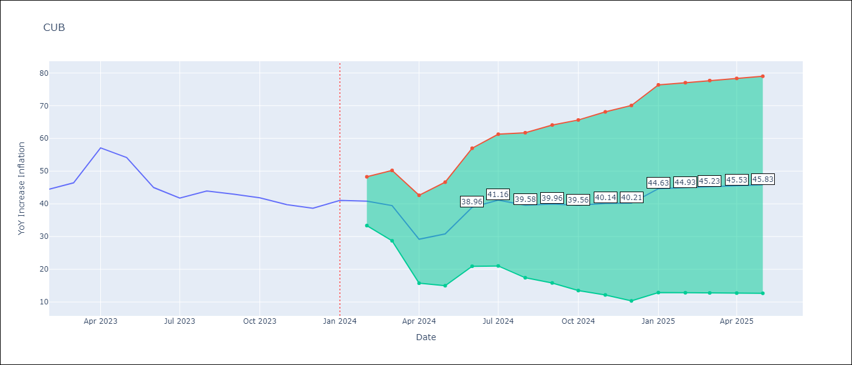

Test Metrics
RMSE | 6.05
Naive RMSE | 4.52
MAPE | 8.72%

Test Predictions
Date | Predicted | Actual
2023-02-01 | 44.06 | 44.5
2023-03-01 | 44.21 | 46.42
2023-04-01 | 42.58 | 57.12
2023-05-01 | 41.35 | 54.15
2023-06-01 | 41.66 | 44.99
2023-07-01 | 40.88 | 41.77
2023-08-01 | 40.99 | 43.91
2023-09-01 | 40.33 | 42.96
2023-10-01 | 38.56 | 41.84
2023-11-01 | 36.98 | 39.78
2023-12-01 | 35.73 | 38.67
2024-01-01 | 43.12 | 41.06

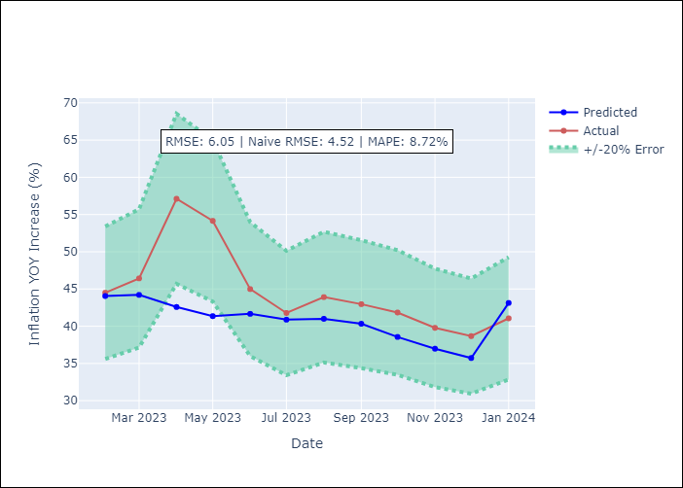

Appendix A: Model Summary
Model | ARIMA(0, 2, 1)x(0, 0, 1, 12)
Sample | 01-01-2001- 01-01-2024
No. of Observations | 277
Terms | P-value (Statistical significance)
ma.L1 | 0.000
ma.S.L12 | 0.000
sigma2 | 0.000
Assumptions | P-value

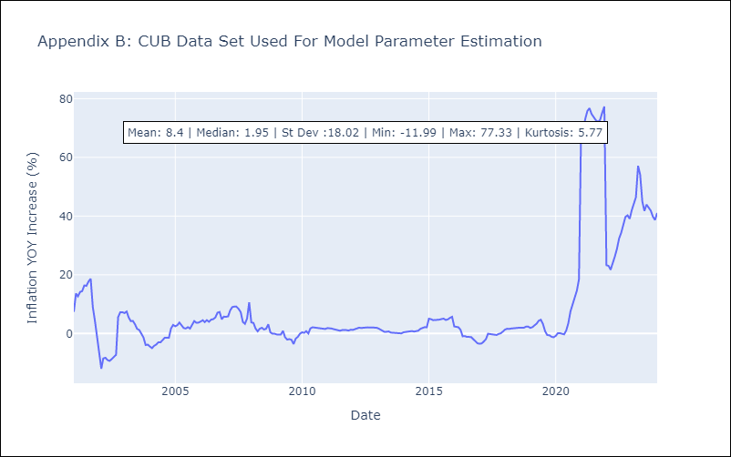

Appendix C: Residuals Analysis
Mean | 0.16

Normal? | No

DOM
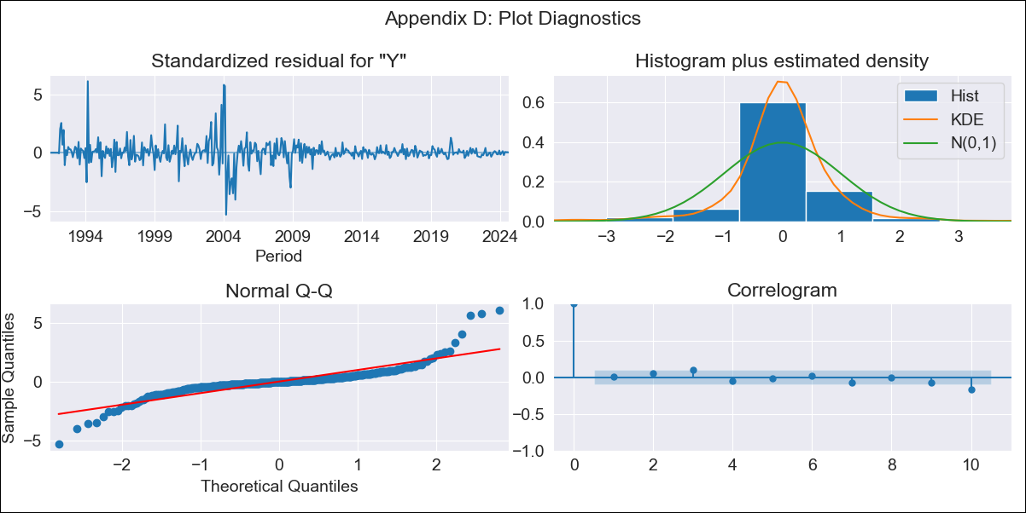
DOM - Inflation - Next 12 months forecast as of: 2024-08-01

Model | ARIMA - [(0, 2, 2), (0, 0, 1, 12)]
Training Data | 1990-01-01 to 2023-09-01
Test Data | 2023-09-01 to 2024-08-01

Date | Inflation Change YoY % | Lower Bound - 95% Confidence Interval | Upper Bound - 95% Confidence Interval
2024-09-01 | 3.29 | 0.74 | 5.83
2024-10-01 | 3.34 | -1.3 | 7.99
2024-11-01 | 3.5 | -3 | 9.99
2024-12-01 | 3.35 | -4.97 | 11.67
2025-01-01 | 3.42 | -6.76 | 13.6
2025-02-01 | 3.48 | -8.6 | 15.57
2025-03-01 | 3.35 | -10.7 | 17.41
2025-04-01 | 3.5 | -12.6 | 19.59
2025-05-01 | 3.5 | -14.69 | 21.7
2025-06-01 | 3.44 | -16.93 | 23.81
2025-07-01 | 3.37 | -19.24 | 25.98
2025-08-01 | 3.3 | -21.61 | 28.22
2025-09-01 | 3.27 | -23.27 | 29.8
2025-10-01 | 3.24 | -24.69 | 31.17
2025-11-01 | 3.21 | -26.09 | 32.52
2025-12-01 | 3.18 | -27.47 | 33.84

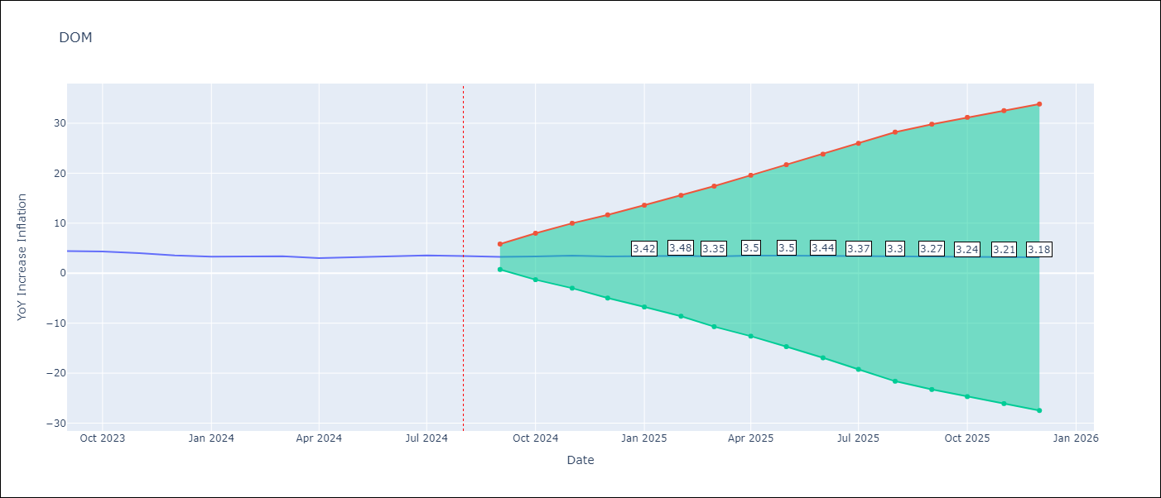

Test Metrics
RMSE | 0.39
Naive RMSE | 0.23
MAPE | 10.17%

Test Predictions
Date | Predicted | Actual
2023-09-01 | 4.31 | 4.41
2023-10-01 | 4.36 | 4.35
2023-11-01 | 4.27 | 4
2023-12-01 | 3.71 | 3.57
2024-01-01 | 3.59 | 3.32
2024-02-01 | 3.71 | 3.3
2024-03-01 | 3.68 | 3.38
2024-04-01 | 3.57 | 3.03
2024-05-01 | 3.79 | 3.2
2024-06-01 | 4.01 | 3.46
2024-07-01 | 4.04 | 3.54
2024-08-01 | 3.89 | 3.42

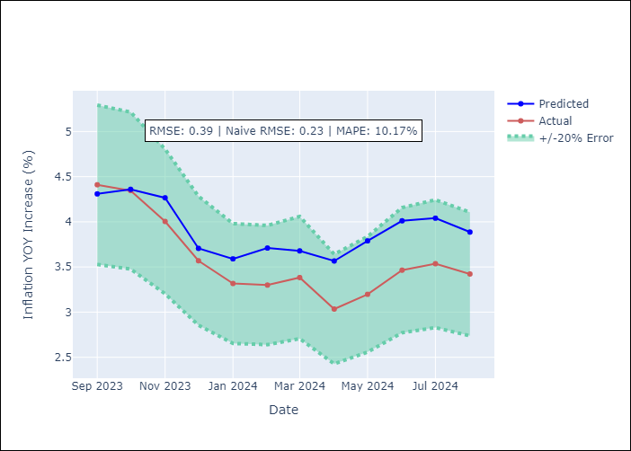

Appendix A: Model Summary
Model | ARIMA(0, 2, 2)x(0, 0, [1], 12)
Sample | 01-01-1990- 08-01-2024
No. of Observations | 416
Terms | P-value (Statistical significance)
ma.L1 | 0.000
ma.L2 | 0.000
ma.S.L12 | 0.000
sigma2 | 0.000
Assumptions | P-value

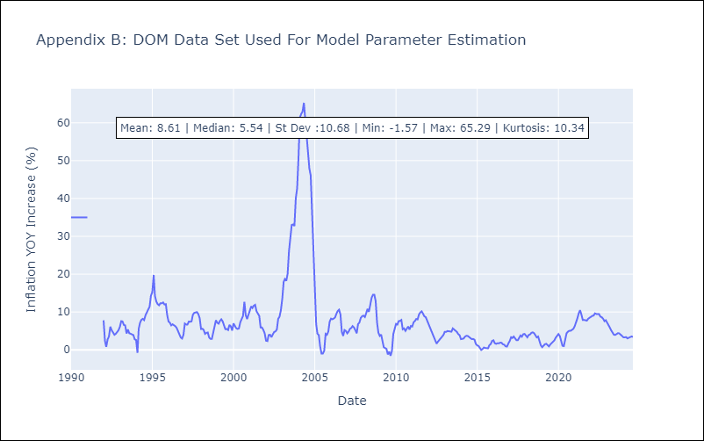

Appendix C: Residuals Analysis
Mean | 0.0

Normal? | Yes

GTM
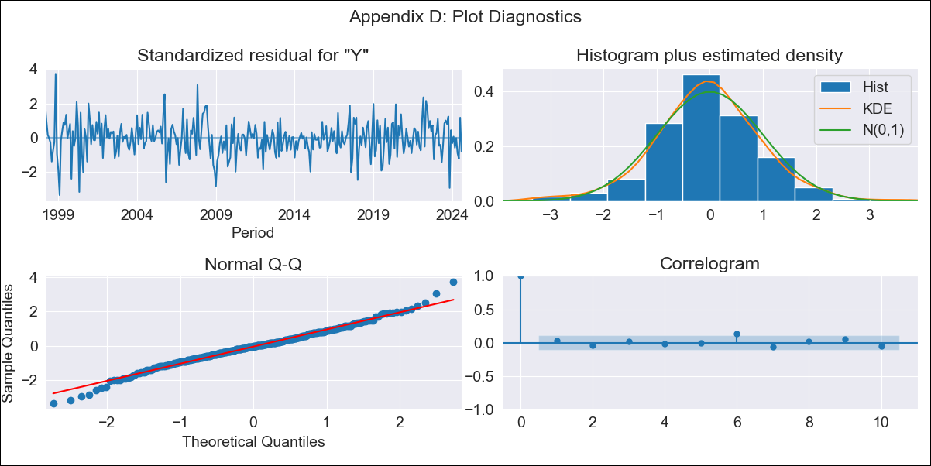
GTM - Inflation - Next 12 months forecast as of: 2024-08-01

Model | ARIMA - [(1, 1, 0), (0, 0, 2, 12)]
Training Data | 1996-01-01 to 2023-09-01
Test Data | 2023-09-01 to 2024-08-01

Date | Inflation Change YoY % | Lower Bound - 95% Confidence Interval | Upper Bound - 95% Confidence Interval
2024-09-01 | 2.51 | 1.59 | 3.43
2024-10-01 | 1.82 | 0.28 | 3.35
2024-11-01 | 2.82 | 0.8 | 4.85
2024-12-01 | 2.97 | 0.53 | 5.41
2025-01-01 | 3.18 | 0.38 | 5.98
2025-02-01 | 3.3 | 0.18 | 6.41
2025-03-01 | 3.57 | 0.17 | 6.97
2025-04-01 | 3.64 | -0.03 | 7.31
2025-05-01 | 3.97 | 0.05 | 7.89
2025-06-01 | 4.61 | 0.45 | 8.76
2025-07-01 | 4.34 | -0.03 | 8.72
2025-08-01 | 4.69 | 0.1 | 9.27
2025-09-01 | 4.86 | 0.25 | 9.47
2025-10-01 | 5 | 0.38 | 9.61
2025-11-01 | 4.84 | 0.23 | 9.46
2025-12-01 | 4.82 | 0.2 | 9.44

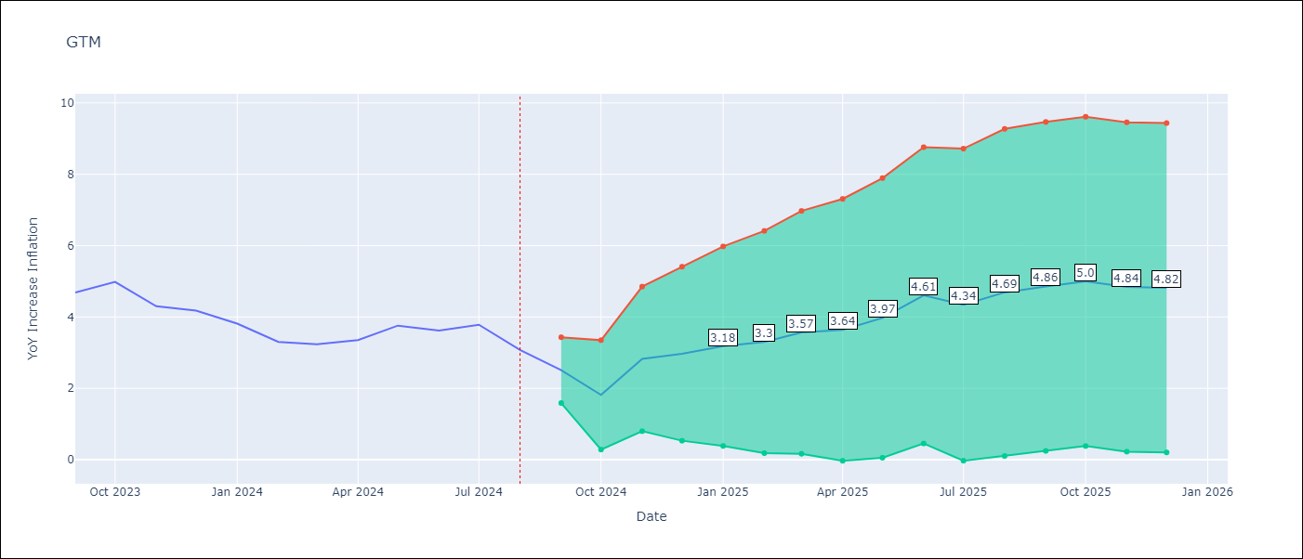

Test Metrics
RMSE | 1.17
Naive RMSE | 0.38
MAPE | 26.65%

Test Predictions
Date | Predicted | Actual
2023-09-01 | 4.31 | 4.69
2023-10-01 | 3.9 | 4.98
2023-11-01 | 4.38 | 4.3
2023-12-01 | 4.43 | 4.18
2024-01-01 | 4.27 | 3.81
2024-02-01 | 3.78 | 3.3
2024-03-01 | 4 | 3.23
2024-04-01 | 4.23 | 3.35
2024-05-01 | 5.11 | 3.76
2024-06-01 | 5.7 | 3.62
2024-07-01 | 5.55 | 3.78
2024-08-01 | 5.1 | 3.08

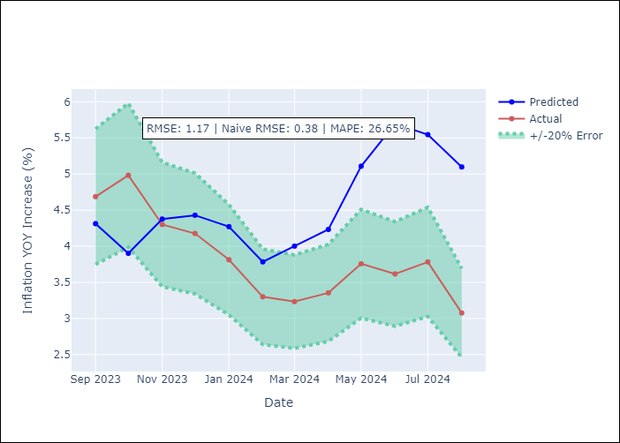

Appendix A: Model Summary
Model | ARIMA(1, 1, 0)x(0, 0, [1, 2], 12)
Sample | 01-01-1996- 08-01-2024
No. of Observations | 344
Terms | P-value (Statistical significance)
ar.L1 | 0.000
ma.S.L12 | 0.000
ma.S.L24 | 0.004
sigma2 | 0.000
Assumptions | P-value

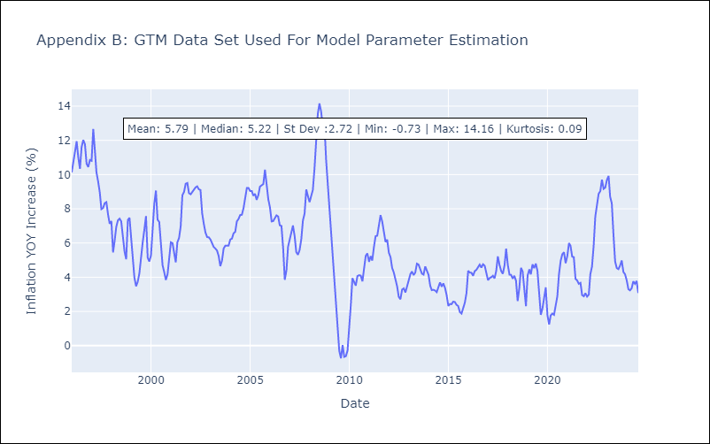

Appendix C: Residuals Analysis
Mean | -0.0

Normal? | No

HND
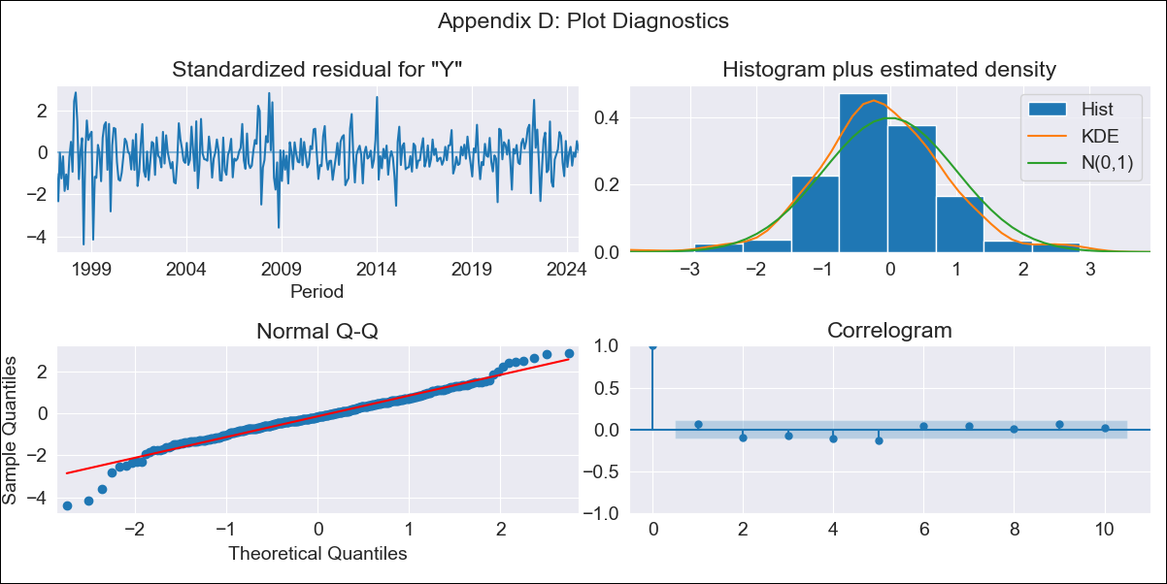
HND - Inflation - Next 12 months forecast as of: 2024-08-01

Model | ARIMA - [(2, 0, 1), (0, 0, 2, 12)]
Training Data | 1995-01-01 to 2023-09-01
Test Data | 2023-09-01 to 2024-08-01

Date | Inflation Change YoY % | Lower Bound - 95% Confidence Interval | Upper Bound - 95% Confidence Interval
2024-09-01 | 4.8 | 4.01 | 5.59
2024-10-01 | 4.86 | 3.55 | 6.17
2024-11-01 | 5.15 | 3.32 | 6.98
2024-12-01 | 5.12 | 2.77 | 7.47
2025-01-01 | 5.41 | 2.54 | 8.28
2025-02-01 | 5.48 | 2.1 | 8.87
2025-03-01 | 5.56 | 1.66 | 9.45
2025-04-01 | 5.9 | 1.5 | 10.29
2025-05-01 | 6.07 | 1.19 | 10.96
2025-06-01 | 6.28 | 0.92 | 11.65
2025-07-01 | 6.26 | 0.43 | 12.09
2025-08-01 | 6.26 | -0.03 | 12.54
2025-09-01 | 6.26 | -0.28 | 12.8
2025-10-01 | 6.3 | -0.44 | 13.05
2025-11-01 | 6.38 | -0.53 | 13.3
2025-12-01 | 6.4 | -0.66 | 13.45

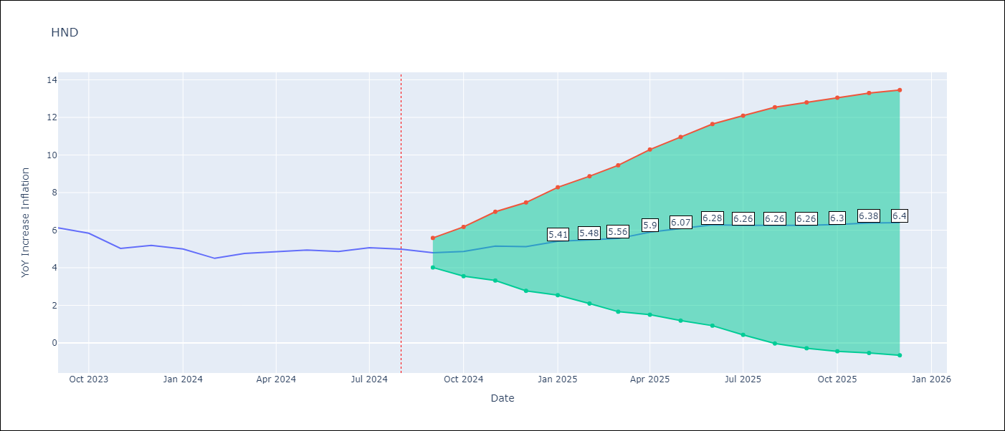

Test Metrics
RMSE | 0.83
Naive RMSE | 0.33
MAPE | 14.27%

Test Predictions
Date | Predicted | Actual
2023-09-01 | 5.82 | 6.13
2023-10-01 | 5.62 | 5.84
2023-11-01 | 5.25 | 5.03
2023-12-01 | 5.32 | 5.19
2024-01-01 | 5.45 | 5
2024-02-01 | 5.11 | 4.5
2024-03-01 | 5.38 | 4.76
2024-04-01 | 5.8 | 4.84
2024-05-01 | 6.06 | 4.94
2024-06-01 | 6.21 | 4.87
2024-07-01 | 6.33 | 5.06
2024-08-01 | 6.25 | 4.99

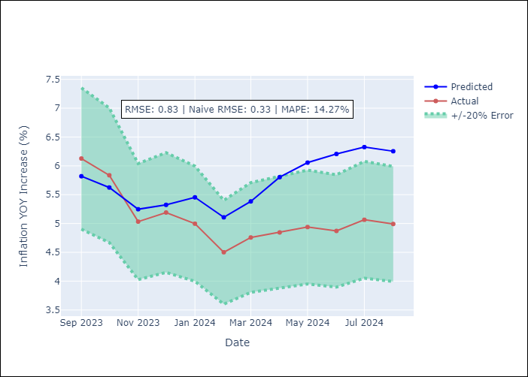

Appendix A: Model Summary
Model | ARIMA(2, 0, 1)x(0, 0, [1, 2], 12)
Sample | 01-01-1995- 08-01-2024
No. of Observations | 356
Terms | P-value (Statistical significance)
const | 0.262
ar.L1 | 0.000
ar.L2 | 0.000
ma.L1 | 0.000
ma.S.L12 | 0.065
ma.S.L24 | 0.048
sigma2 | 0.322
Assumptions | P-value

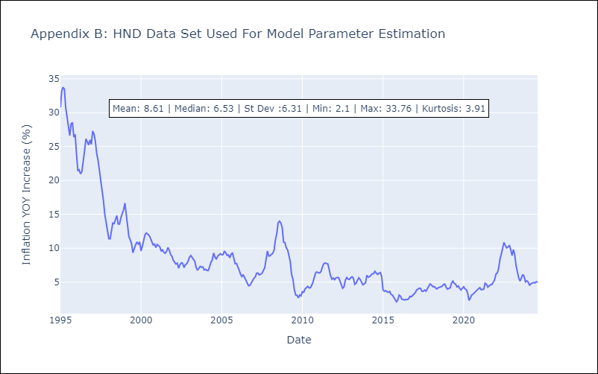

Appendix C: Residuals Analysis
Mean | -0.05

Normal? | No

HTI
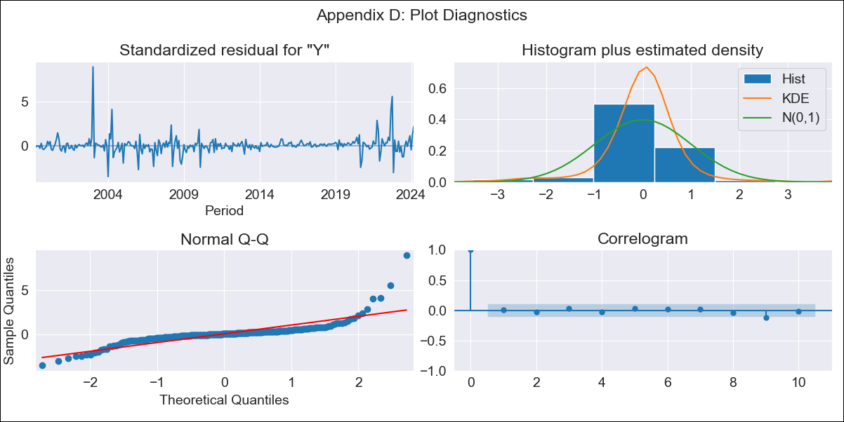
HTI - Inflation - Next 12 months forecast as of: 2024-03-01

Model | ARIMA - [(2, 0, 1), (3, 0, 0, 12)]
Training Data | 1996-01-01 to 2023-04-01
Test Data | 2023-04-01 to 2024-03-01

Date | Inflation Change YoY % | Lower Bound - 95% Confidence Interval | Upper Bound - 95% Confidence Interval
2024-04-01 | 30 | 27.16 | 32.84
2024-05-01 | 31.37 | 26.4 | 36.33
2024-06-01 | 33.39 | 26.46 | 40.33
2024-07-01 | 35.74 | 27 | 44.48
2024-08-01 | 37.06 | 26.68 | 47.45
2024-09-01 | 36.79 | 24.91 | 48.67
2024-10-01 | 36.93 | 23.68 | 50.19
2024-11-01 | 37.08 | 22.56 | 51.59
2024-12-01 | 35.48 | 19.79 | 51.16
2025-01-01 | 35.08 | 18.31 | 51.85
2025-02-01 | 33.7 | 15.91 | 51.49
2025-03-01 | 30.79 | 12.04 | 49.55
2025-04-01 | 29.34 | 10.18 | 48.5
2025-05-01 | 28.39 | 8.98 | 47.8
2025-06-01 | 27.77 | 8.2 | 47.34
2025-07-01 | 27.72 | 8.03 | 47.41

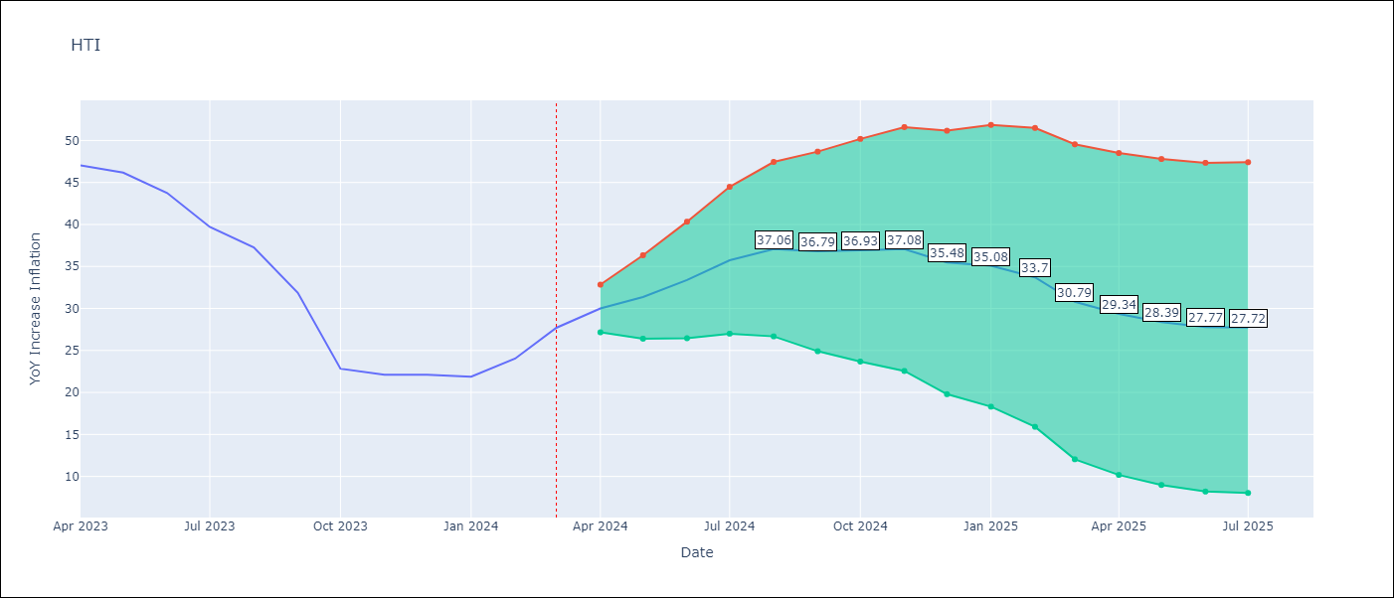

Test Metrics
RMSE | 5.83
Naive RMSE | 3.64
MAPE | 18.4%

Test Predictions
Date | Predicted | Actual
2023-04-01 | 48.08 | 47.04
2023-05-01 | 47.77 | 46.18
2023-06-01 | 47.51 | 43.75
2023-07-01 | 46.29 | 39.71
2023-08-01 | 45.36 | 37.27
2023-09-01 | 40.05 | 31.86
2023-10-01 | 31.3 | 22.83
2023-11-01 | 29.97 | 22.12
2023-12-01 | 28.06 | 22.12
2024-01-01 | 27.58 | 21.87
2024-02-01 | 27.65 | 24.04
2024-03-01 | 27.17 | 27.7

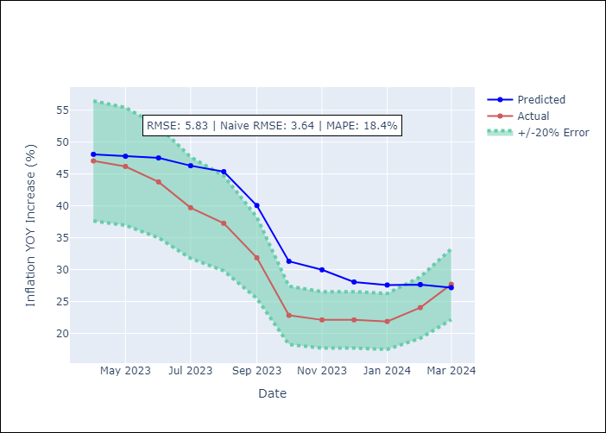

Appendix A: Model Summary
Model | ARIMA(2, 0, 1)x(3, 0, [], 12)
Sample | 01-01-1996- 03-01-2024
No. of Observations | 339
Terms | P-value (Statistical significance)
const | 0.505
ar.L1 | 0.000
ar.L2 | 0.000
ma.L1 | 0.170
ar.S.L12 | 0.000
ar.S.L24 | 0.000
ar.S.L36 | 0.000
sigma2 | 0.000
Assumptions | P-value

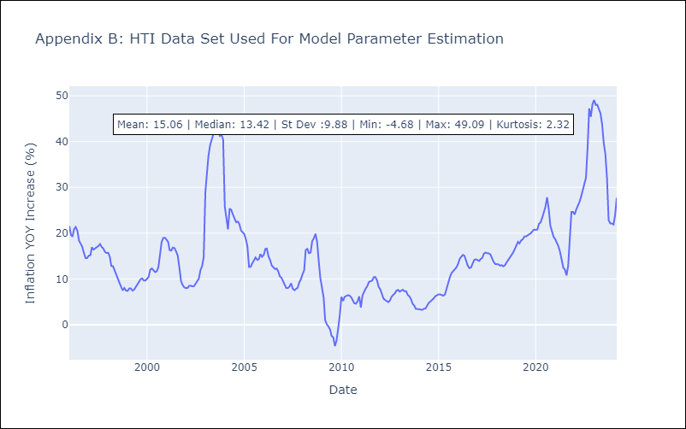

Appendix C: Residuals Analysis
Mean | 0.06

Normal? | No

NIC
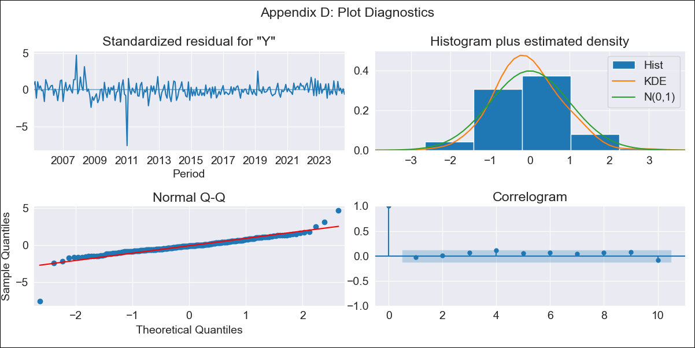
NIC - Inflation - Next 12 months forecast as of: 2024-08-01

Model | ARIMA - [(1, 1, 0), (2, 0, 1, 12)]
Training Data | 2003-01-01 to 2023-09-01
Test Data | 2023-09-01 to 2024-08-01

Date | Inflation Change YoY % | Lower Bound - 95% Confidence Interval | Upper Bound - 95% Confidence Interval
2024-09-01 | 4.81 | 3.51 | 6.1
2024-10-01 | 4.92 | 2.7 | 7.14
2024-11-01 | 5.49 | 2.5 | 8.49
2024-12-01 | 4.95 | 1.3 | 8.6
2025-01-01 | 4.97 | 0.75 | 9.2
2025-02-01 | 5.37 | 0.64 | 10.1
2025-03-01 | 5.01 | -0.19 | 10.2
2025-04-01 | 5.11 | -0.51 | 10.73
2025-05-01 | 4.95 | -1.06 | 10.96
2025-06-01 | 5.14 | -1.24 | 11.52
2025-07-01 | 5.5 | -1.23 | 12.23
2025-08-01 | 6.1 | -0.96 | 13.17
2025-09-01 | 6.25 | -0.87 | 13.37
2025-10-01 | 6.58 | -0.56 | 13.72
2025-11-01 | 6.59 | -0.55 | 13.73
2025-12-01 | 6.7 | -0.45 | 13.84

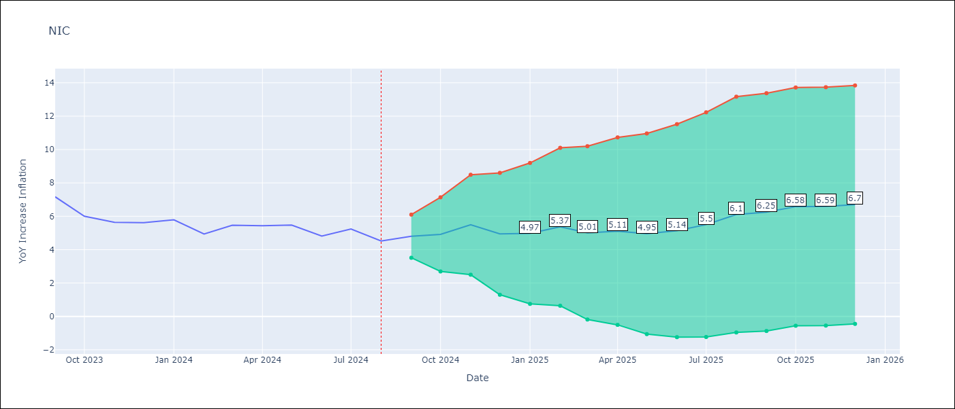

Test Metrics
RMSE | 0.52
Naive RMSE | 0.56
MAPE | 7.35%

Test Predictions
Date | Predicted | Actual
2023-09-01 | 7.61 | 7.17
2023-10-01 | 6.7 | 6
2023-11-01 | 6.79 | 5.64
2023-12-01 | 6.14 | 5.62
2024-01-01 | 6.17 | 5.79
2024-02-01 | 5.72 | 4.93
2024-03-01 | 5.65 | 5.46
2024-04-01 | 5.47 | 5.44
2024-05-01 | 5.29 | 5.47
2024-06-01 | 4.86 | 4.82
2024-07-01 | 5.27 | 5.23
2024-08-01 | 4.95 | 4.52

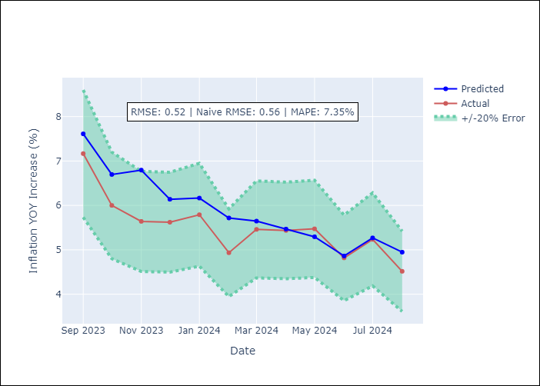

Appendix A: Model Summary
Model | ARIMA(1, 1, 0)x(2, 0, [1], 12)
Sample | 01-01-2003- 08-01-2024
No. of Observations | 260
Terms | P-value (Statistical significance)
ar.L1 | 0.000
ar.S.L12 | 0.050
ar.S.L24 | 0.003
ma.S.L12 | 0.000
sigma2 | 0.000
Assumptions | P-value

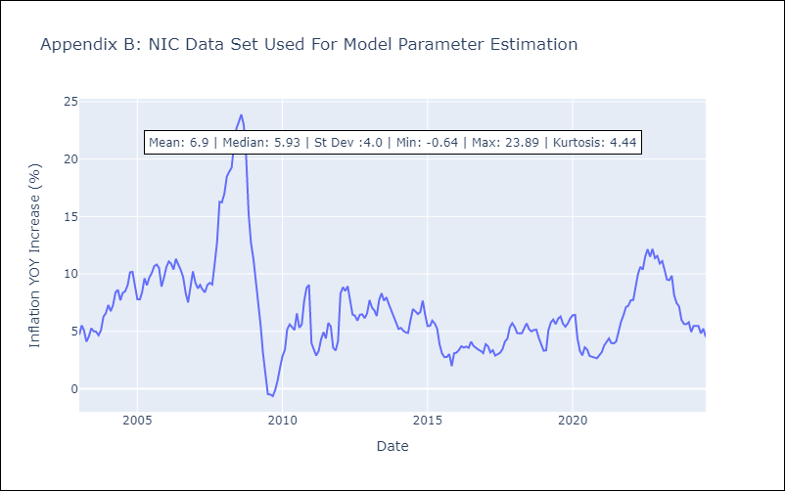

Appendix C: Residuals Analysis
Mean | -0.01

Normal? | No

MEX
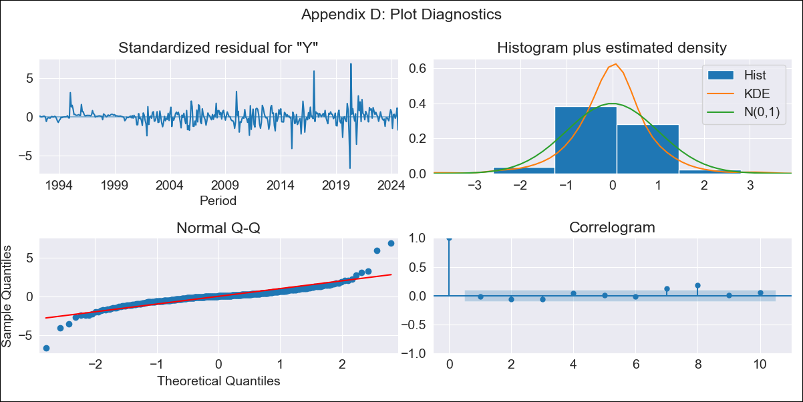
MEX - Inflation - Next 12 months forecast as of: 2024-08-01

Model | ARIMA - [(1, 0, 1), (2, 0, 2, 12)]
Training Data | 1990-01-01 to 2023-09-01
Test Data | 2023-09-01 to 2024-08-01

Date | Inflation Change YoY % | Lower Bound - 95% Confidence Interval | Upper Bound - 95% Confidence Interval
2024-09-01 | 4.88 | 4.24 | 5.69
2024-10-01 | 4.99 | 3.99 | 6.5
2024-11-01 | 4.99 | 3.77 | 7.03
2024-12-01 | 4.81 | 3.5 | 7.16
2025-01-01 | 4.66 | 3.3 | 7.28
2025-02-01 | 4.9 | 3.33 | 8.23
2025-03-01 | 4.95 | 3.26 | 8.78
2025-04-01 | 4.88 | 3.15 | 9.04
2025-05-01 | 4.91 | 3.09 | 9.56
2025-06-01 | 4.9 | 3.03 | 9.97
2025-07-01 | 4.71 | 2.88 | 9.71
2025-08-01 | 4.96 | 2.94 | 11.07
2025-09-01 | 5.05 | 2.96 | 11.61
2025-10-01 | 5.04 | 2.95 | 11.7
2025-11-01 | 5.03 | 2.93 | 11.72
2025-12-01 | 5.01 | 2.92 | 11.75

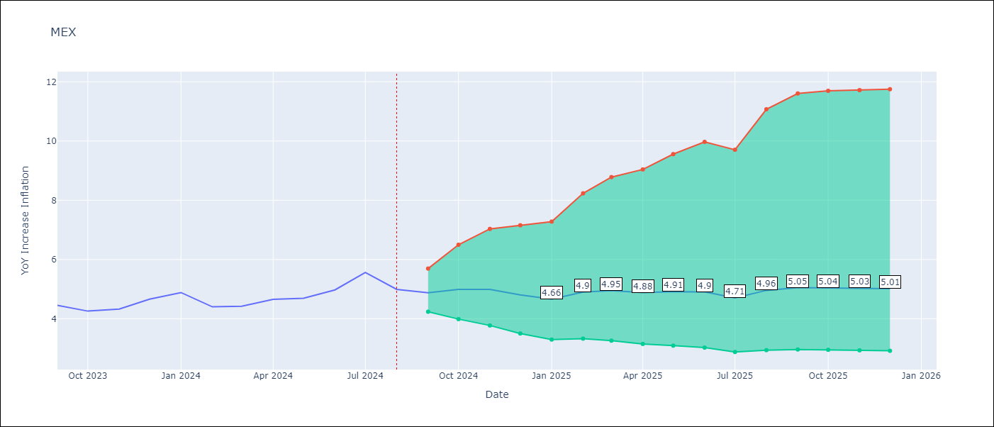

Test Metrics
RMSE | 0.22
Naive RMSE | 0.33
MAPE | 3.85%

Test Predictions
Date | Predicted | Actual
2023-09-01 | 4.56 | 4.45
2023-10-01 | 4.55 | 4.26
2023-11-01 | 4.59 | 4.32
2023-12-01 | 4.61 | 4.66
2024-01-01 | 4.55 | 4.88
2024-02-01 | 4.53 | 4.4
2024-03-01 | 4.6 | 4.42
2024-04-01 | 4.71 | 4.65
2024-05-01 | 4.8 | 4.69
2024-06-01 | 5.04 | 4.97
2024-07-01 | 5.13 | 5.56
2024-08-01 | 5.15 | 4.99

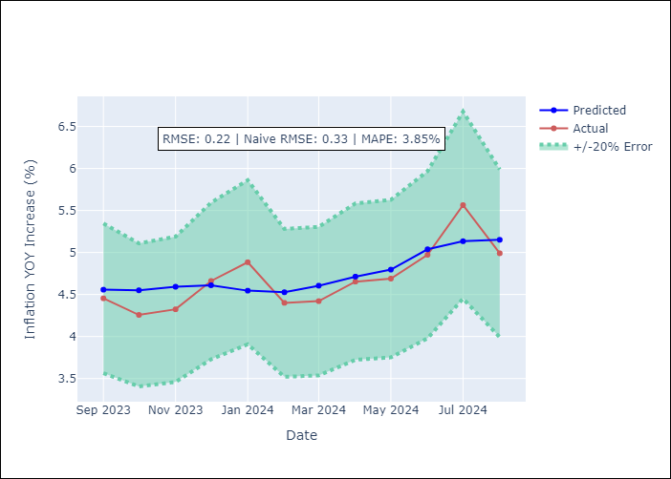

Appendix A: Model Summary
Model | ARIMA(1, 0, 1)x(2, 0, [1, 2], 12)
Sample | 01-01-1990- 08-01-2024
No. of Observations | 416
Terms | P-value (Statistical significance)
const | 0.479
ar.L1 | 0.000
ma.L1 | 0.000
ar.S.L12 | 0.756
ar.S.L24 | 0.443
ma.S.L12 | 0.794
ma.S.L24 | 0.899
sigma2 | 0.000
Assumptions | P-value

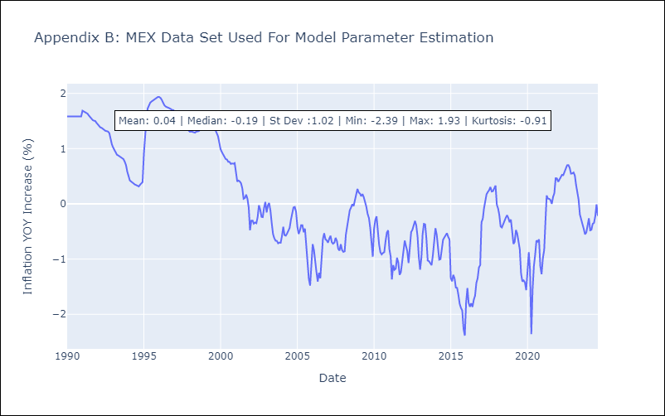

Appendix C: Residuals Analysis
Mean | 0.01

Normal? | No

PAN
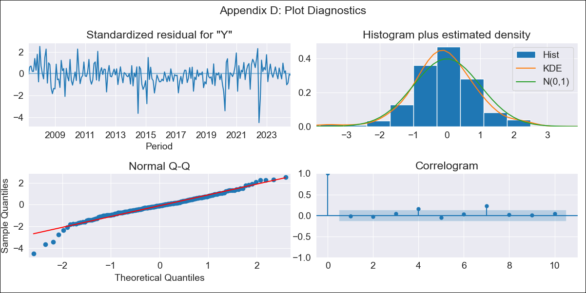
PAN - Inflation - Next 12 months forecast as of: 2024-08-01

Model | ARIMA - [(2, 1, 1), (2, 0, 1, 12)]
Training Data | 2005-01-01 to 2023-09-01
Test Data | 2023-09-01 to 2024-08-01

Date | Inflation Change YoY % | Lower Bound - 95% Confidence Interval | Upper Bound - 95% Confidence Interval
2024-09-01 | 0.24 | -0.51 | 0.99
2024-10-01 | 0.45 | -0.82 | 1.73
2024-11-01 | 0.41 | -1.3 | 2.12
2024-12-01 | 0.26 | -1.81 | 2.33
2025-01-01 | 0.42 | -1.96 | 2.81
2025-02-01 | 0.27 | -2.39 | 2.94
2025-03-01 | 0.27 | -2.65 | 3.18
2025-04-01 | 0.28 | -2.87 | 3.43
2025-05-01 | 0.75 | -2.62 | 4.11
2025-06-01 | 1.4 | -2.18 | 4.97
2025-07-01 | 1.29 | -2.47 | 5.05
2025-08-01 | 1.12 | -2.83 | 5.07
2025-09-01 | 1.15 | -2.82 | 5.13
2025-10-01 | 1.16 | -2.82 | 5.13
2025-11-01 | 1.19 | -2.79 | 5.17
2025-12-01 | 1.25 | -2.73 | 5.23

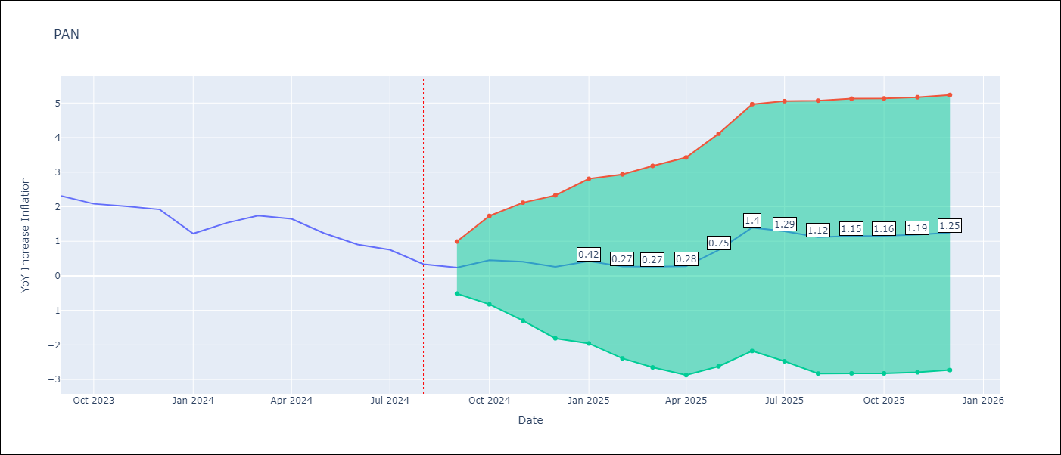

Test Metrics
RMSE | 0.33
Naive RMSE | 0.31
MAPE | 34.19%

Test Predictions
Date | Predicted | Actual
2023-09-01 | 2.33 | 2.31
2023-10-01 | 2.29 | 2.08
2023-11-01 | 2.1 | 2.01
2023-12-01 | 1.95 | 1.92
2024-01-01 | 1.45 | 1.22
2024-02-01 | 1.45 | 1.53
2024-03-01 | 1.5 | 1.74
2024-04-01 | 1.24 | 1.65
2024-05-01 | 1.18 | 1.23
2024-06-01 | 1.32 | 0.91
2024-07-01 | 1.34 | 0.75
2024-08-01 | 1.02 | 0.34

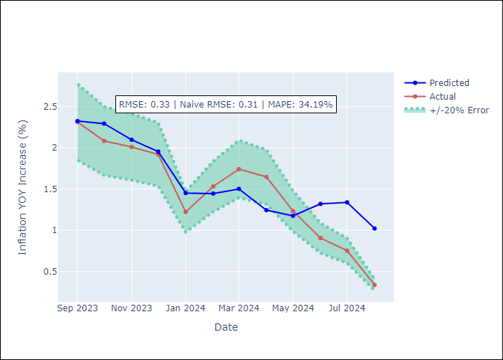

Appendix A: Model Summary
Model | ARIMA(2, 1, 1)x(2, 0, 1, 12)
Sample | 01-01-2005- 08-01-2024
No. of Observations | 236
Terms | P-value (Statistical significance)
ar.L1 | 0.000
ar.L2 | 0.000
ma.L1 | 0.000
ar.S.L12 | 0.002
ar.S.L24 | 0.009
ma.S.L12 | 0.000
sigma2 | 0.000
Assumptions | P-value

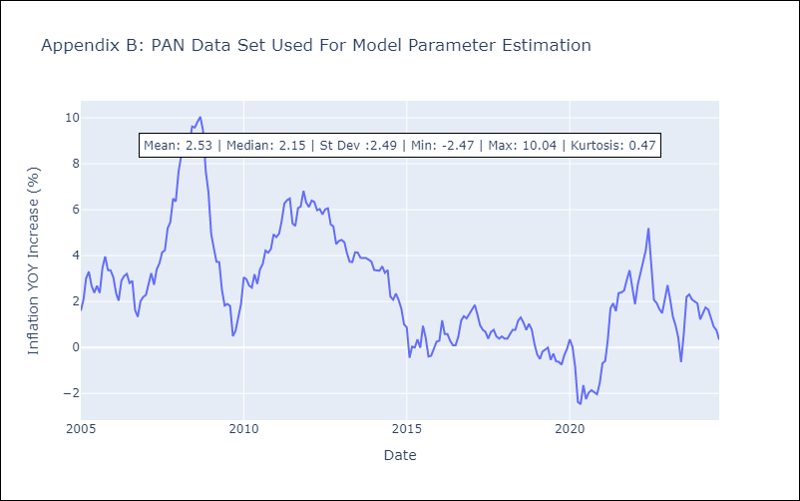

Appendix C: Residuals Analysis
Mean | -0.01

Normal? | No

SLV
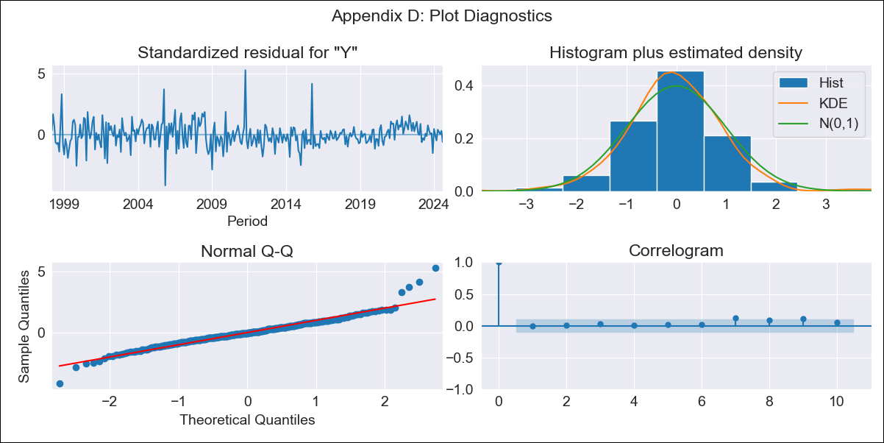
SLV - Inflation - Next 12 months forecast as of: 2024-08-01

Model | ARIMA - [(1, 1, 0), (2, 0, 1, 12)]
Training Data | 1996-01-01 to 2023-09-01
Test Data | 2023-09-01 to 2024-08-01

Date | Inflation Change YoY % | Lower Bound - 95% Confidence Interval | Upper Bound - 95% Confidence Interval
2024-09-01 | 0.95 | -0.03 | 1.93
2024-10-01 | 0.9 | -0.64 | 2.44
2024-11-01 | 0.9 | -1.08 | 2.87
2024-12-01 | 1.58 | -0.75 | 3.92
2025-01-01 | 1.57 | -1.07 | 4.22
2025-02-01 | 1.65 | -1.28 | 4.58
2025-03-01 | 1.99 | -1.19 | 5.17
2025-04-01 | 1.95 | -1.47 | 5.36
2025-05-01 | 1.98 | -1.66 | 5.62
2025-06-01 | 2.04 | -1.81 | 5.89
2025-07-01 | 1.95 | -2.09 | 6
2025-08-01 | 2.26 | -1.97 | 6.5
2025-09-01 | 2.34 | -1.91 | 6.59
2025-10-01 | 2.41 | -1.84 | 6.66
2025-11-01 | 2.5 | -1.75 | 6.76
2025-12-01 | 2.61 | -1.65 | 6.86

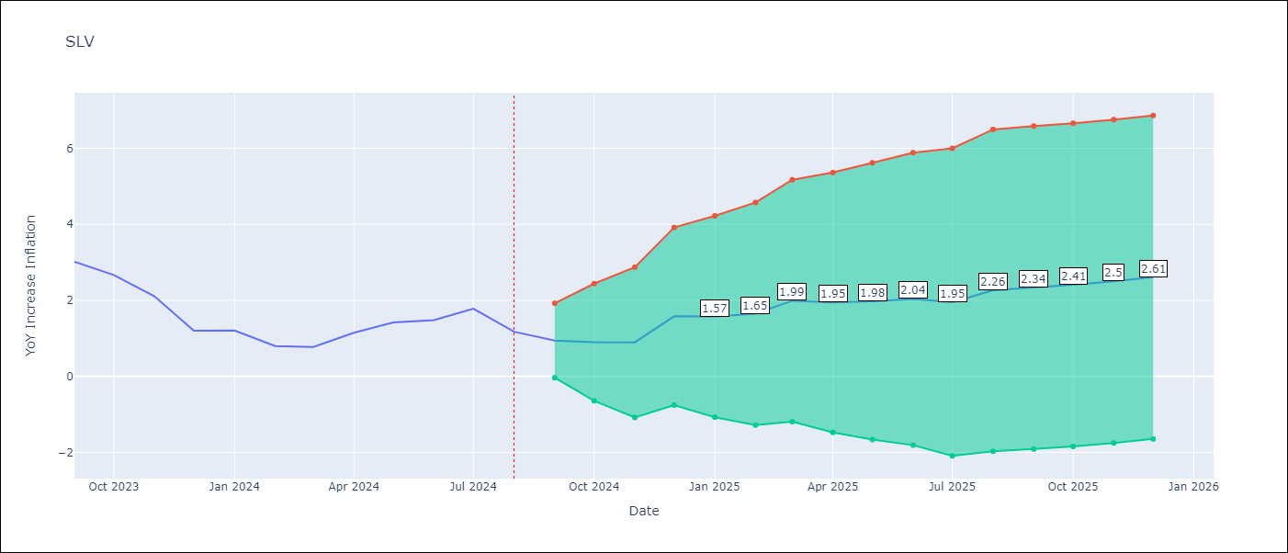

Test Metrics
RMSE | 0.41
Naive RMSE | 0.42
MAPE | 32.17%

Test Predictions
Date | Predicted | Actual
2023-09-01 | 2.86 | 3.02
2023-10-01 | 2.46 | 2.67
2023-11-01 | 1.84 | 2.11
2023-12-01 | 1.69 | 1.21
2024-01-01 | 1.61 | 1.21
2024-02-01 | 1.22 | 0.8
2024-03-01 | 1.45 | 0.77
2024-04-01 | 1.68 | 1.15
2024-05-01 | 1.81 | 1.42
2024-06-01 | 1.83 | 1.48
2024-07-01 | 1.97 | 1.78
2024-08-01 | 1.63 | 1.17

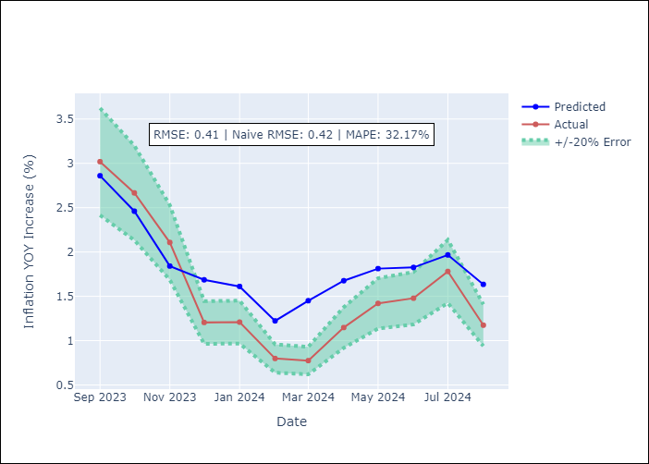

Appendix A: Model Summary
Model | ARIMA(1, 1, 0)x(2, 0, [1], 12)
Sample | 01-01-1996- 08-01-2024
No. of Observations | 344
Terms | P-value (Statistical significance)
ar.L1 | 0.000
ar.S.L12 | 0.257
ar.S.L24 | 0.002
ma.S.L12 | 0.000
sigma2 | 0.000
Assumptions | P-value

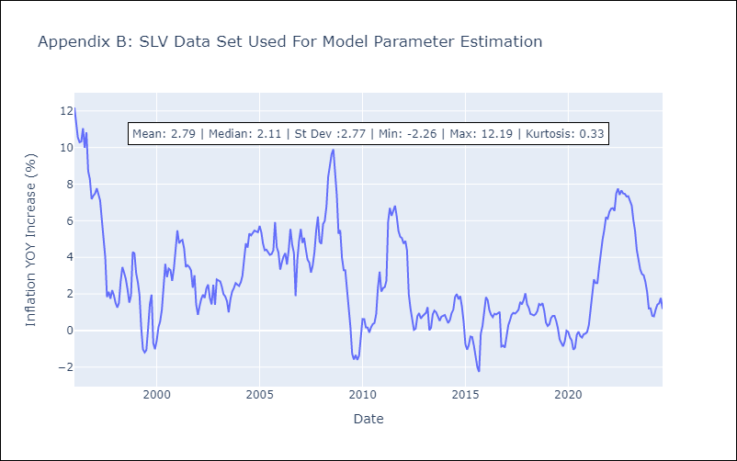

Appendix C: Residuals Analysis
Mean | 0.0

Normal? | No

